Page 302
COIN FLIP DIAGRAM

Asset A returns 20%
Asset B returns 20%
 |  | Coin comes up heads, Asset B returns 20%

Coin flip determines the return on asset B
 | Coin comes up heads, Asset A returns 20%
Asset A returns 20%
Asset B returns -8%
Coin flip determines the return on asset A
 |  | Coin comes up tails, Asset B returns -8%

Asset A returns -8%
Asset B returns 20%
 |  | Coin comes up heads, Asset B returns 20%

Coin flip determines the return on asset B
 | Coin comes up tails Asset A returns -8%

Asset A returns -8%
Asset B returns -8%
 |  | Coin comes up tails, Asset B returns -8%

Page 302, bottom
CASE 1: MEAN AND STANDARD DEVIATION OF RETURN FROM A SINGLE COIN FLIP
Coin flip:
heads
 | Cash flow | Return |  | Return statistics
 | 120 | 20% | #NAME? | Average return | 6.00% | #NAME?
 |  |  |  | Variance | 0.0196 | #NAME?
100 |  |  |  | Standard deviation | 14.00% | #NAME?

 | 92 | -8% | #NAME?
Coin flip:
tails

Page 303
CASE 2: FLIPPING A FAIR COIN--TWO UNCORRELATED COIN TOSSES
A comes up heads
B comes up heads
Probability: 0.5*0.5=0.25
Payoff: $50*1.2 (A) + $50*1.2 (B) = $120
 |  |  |  | Payoff | Return | Probability
 |  |  |  | 120 | 20% | 0.25

A comes up heads
B comes up tails
Probability: 0.5*0.5=0.25
Payoff: $50*1.2 (A) + $50*0.92 (B) = $106

$100 invested: $50 in A
$50 in B

 |  |  |  | 106 | 6% | 0.25

A comes up tails
B comes up heads
Probability: 0.5*0.5=0.25
Payoff: $50*0.92(A) + $50*1.2 (B) = $106
 |  |  |  | 106 | 6% | 0.25

A comes up tails
B comes up tails
Probability: 0.5*0.5=0.25
Payoff: $50*0.92 (A) + $50*0.92 (B) = $92

 |  |  |  | 92 | -8% | 0.25

 | Return statistics
 | Average return | 6.00% | #NAME?
 | Variance | 0.0098 | #NAME?
 | Standard deviation | 9.90% | #NAME?

Page 304
CASE 3: FLIPPING A COUNTERFEIT COIN--TWO COIN TOSSES WITH CORRELATION +1
A comes up heads
B comes up heads
Probability: 0.5 *1=0.5
Payoff: $50*1.2 (A) + $50*1.2 (B) = $120
 |  |  |  | Payoff | Return | Probability
 |  |  |  | 120 | 20% | 0.5

$100 invested: $50 in A
$50 in B
This can't happen: The coins are completely correlated, so we can't have a heads in one and a tails in the second.

A comes up tails
B comes up tails
Probability: 0.5*1=0.5
Payoff: $50*0.92 (A) + $50*0.92 (B) = $92

 |  |  |  | 92 | -8% | 0.5

 | Return statistics
 | Average return | 6.00% | #NAME?
 | Variance | 0.0196 | #NAME?
 | Standard deviation | 14.00% | #NAME?

Page 305
CASE 4: FLIPPING A COUNTERFEIT COIN--TWO COIN TOSSES WITH CORRELATION -1
This can't happen: The coins are completely correlated, so we can't have a heads in one and a heads in the second.
 |  |  |  | Payoff | Return | Probability

A comes up heads
B comes up tails
Probability: 0.5*1=0.5
Payoff: $50*1.2 (A) + $50*0.92 (B) = $106
$100 invested: $50 in A
$50 in B

 |  |  |  | 106 | 6% | 0.5

A comes up tails
B comes up heads
Probability: 0.5*1=0.5
Payoff: $50*0.92 (A) + $50*1.2 (B) = $106
 |  |  |  | 106 | 6% | 0.5

This can't happen: The coins are completely correlated, so we can't have a tails in one and a tails in the second.

 | Return statistics
 | Average | 6.00% | #NAME?
 | Variance | 0 | #NAME?
 | Standard deviation | 0.00% | #NAME?

Page 306
CASE 5: FLIPPING A PARTIALLY COUNTERFEIT COIN TWO COIN TOSSES WITH IMPERFECT CORRELATION
A comes up heads
B comes up heads
Probability: 0.5*0.7=0.35
Payoff: $50*1.2 (A) + $50*1.2 (B) = $120
 |  |  |  | Payoff | Return | Probability
 |  |  |  | 120 | 20% | 0.35

A comes up heads
B comes up tails
Probability: 0.5*0.3=0.15
Payoff: $50*1.2 (A) + $50*0.92 (B) = $106

$100 invested: $50 in A
$50 in B

 |  |  |  | 106 | 6% | 0.15

A comes up tails
B comes up heads
Probability: 0.5*0.3=0.15
Payoff: $50*0.92(A) + $50*1.2 (B) = $106
 |  |  |  | 106 | 6% | 0.15

A comes up tails
B comes up tails
Probability: 0.5*0.7=0.35
Payoff: $50*0.92 (A) + $50*0.92 (B) = $92

 |  |  |  | 92 | -8% | 0.35

 | Return statistics
 | Average | 6.00% | #NAME?
 | Variance | 0.01372 | #NAME?
 | Standard deviation | 11.71% | #NAME?

Page 307+308
KELLOGG (K) AND EXXON (XOM) ANNUAL RETURN DATA
KELLOGG (K) AND EXXON (XOM) ANNUAL RETURN DATA
Date | Kellogg | Exxon
2004-12-31 | 19.94% | 28.03%
2005-12-31 | -0.85% | 11.79%
2006-12-31 | 18.46% | 39.08%
2007-12-31 | 7.14% | 24.29%
2008-12-31 | -13.89% | -13.10%
2009-12-31 | 24.58% | -12.61%
2010-12-31 | -1.05% | 10.13%
2011-12-31 | 2.27% | 18.66%
2012-12-31 | 13.88% | 4.70%
2013-12-31 | 12.57% | 20.12%

Average return, E(ri) | 8.31% | 13.11% | #NAME?
Variance of return, Var(ri)=σ2i | 0.01394 | 0.02814 | #NAME?
Standard deviation of return, σi | 11.80% | 16.77% | #NAME?
Covariance of returns, Cov(rk,rxom) | 0.00641 |  | #NAME?
Correlation of returns, ρk,xom | 0.32366 |  | #NAME?
Correlation of returns, ρk,xom | 0.32366 |  | #NAME?

Page 310
PORTFOLIO STATISTICS FOR A KELLOGG-XOM PORTFOLIO
 | K | XOM
Average, E(rK) and E(rXOM) | 8.31% | 13.11%
Variance, Var(rK) and Var(rXOM) | 0.0139 | 0.0281
Sigma, sK and sXOM | 11.80% | 16.77%
Covariance of returns, Cov(rK,rXOM) | 0.0058

Portfolio return and risk
Percentage in K | 50%
Percentage in XOM | 50%

Expected portfolio return, E(rp) | 10.71% | #NAME?
Portfolio variance, Var(rp) | 1.34% | #NAME?
Portfolio standard deviation, sp | 11.58% | #NAME?
Portfolio Returns: Expected Return E(rp) and Standard Deviation sp

 | Portfolio standard deviation | Expected portfolio return |  | Portfolio standard deviation (11.58% and expected return (10.71%) from a portfolio invested 50% in K and 50% in XOM.
50% GM, 50% MSFT | 11.58% | 10.71% | 50%

Page 311
PORTFOLIO STATISTICS FOR A KELLOGG-EXXON PORTFOLIO
 | K | XOM
Average, E(rK) and E(rXOM) | 8.31% | 13.11%
Variance, Var(rK) and Var(rXOM) | 0.0139 | 0.0281
Sigma, sK and sXOM | 11.80% | 16.77%
Covariance of returns, Cov(rK,rXOM) | 0.0058

Portfolio return and risk
Percentage in K | 25%
Percentage in XOM | 75%

Expected portfolio return, E(rp) | 11.91% | #NAME?
Portfolio variance, Var(rp) | 1.89% | #NAME?
Portfolio standard deviation, sp | 13.73% | #NAME?

Portfolio Returns: Expected Return E(rp) and Standard Deviation sp

w_{K}= 50%,w_{XOM}= 50%,
σ_{p}=11.11%, E(r_{p})=10.71%
w_{K} = 25%,w_{XOM} = 75%,
σ_{p}=13.11%, E(r_{p})=11.91%
 |  |  |  | Portfolio standard deviation | Expected portfolio return
 |  |  | 50% GM, 50% MSFT | 11.58% | 10.71%
 |  |  | 25% GM, 75% MSFT | 13.73% | 11.91%

Page 312
PORTFOLIO STATISTICS FOR A KELLOGG-EXXON PORTFOLIO
 | K | XOM
Average, E(rK) and E(rXOM) | 8.31% | 13.11%
Variance, Var(rK) and Var(rXOM) | 0.0139 | 0.0281
Sigma, sK and sXOM | 11.80% | 16.77%
Covariance of returns, Cov(rK,rXOM) | 0.0058

Portfolio return and risk
Percentage in K | 50%
Percentage in XOM | 50%

Expected portfolio return, E(rp) | 10.71% | #NAME? | #NAME?
Portfolio variance, Var(rp) | 1.34% | #NAME?
Portfolio standard deviation, sp | 11.58% | #NAME?

Portfolio Returns: Expected Return and Standard Deviation

 |  |  | Percentage in K | Sigma | Expected return
 |  |  | 0% | 16.77% | 13.11%
 |  |  | 10% | 15.48% | 12.63%
 |  |  | 20% | 14.29% | 12.15%
 |  |  | 30% | 13.21% | 11.67%
 |  |  | 40% | 12.30% | 11.19%
 |  |  | 50% | 11.58% | 10.71%
 |  |  | 60% | 11.08% | 10.23%
 |  |  | 70% | 10.86% | 9.75%
 |  |  | 80% | 10.90% | 9.27%
 |  |  | 90% | 11.23% | 8.79%
 |  |  | 100% | 11.80% | 8.31%

 |  |  | #NAME?

Page 313
PORTFOLIO STATISTICS FOR A K-XOM PORTFOLIO Using Data Table
 | K | XOM
Average, E(rK) and E(rXOM) | 8.31% | 13.11%
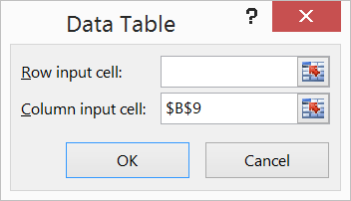
Variance, Var(rK) and Var(rXOM) | 0.0139 | 0.0281
Sigma, sK and sXOM | 11.80% | 16.77%
Covariance of returns, Cov(rK,rXOM) | 0.0058

Portfolio return and risk
Percentage in K | 50%
Percentage in XOM | 50%

Expected portfolio return, E(rp) | 10.71% | #NAME?
Portfolio variance, Var(rp) | 1.34% | #NAME?
Portfolio standard deviation, sp | 11.58% | #NAME?
Portfolio Returns: Expected Return and Standard Deviation
 |  |  | #NAME? |  |  | #NAME?

 |  |  | Percentage in K | Sigma | Expected return
 |  |  |  | 11.58% | 10.71%
 |  |  | 0% | 16.77% | 13.11%
 |  |  | 10% | 15.48% | 12.63%
 |  |  | 20% | 14.29% | 12.15%
 |  |  | 30% | 13.21% | 11.67%
 |  |  | 40% | 12.30% | 11.19%
 |  |  | 50% | 11.58% | 10.71%
 |  |  | 60% | 11.08% | 10.23%
 |  |  | 70% | 10.86% | 9.75%
 |  |  | 80% | 10.90% | 9.27%
 |  |  | 90% | 11.23% | 8.79%
 |  |  | 100% | 11.80% | 8.31%

Page 314
PORTFOLIO STATISTICS FOR A KELLOGG-EXXON PORTFOLIO
 | K | XOM
Average, E(rK) and E(rXOM) | 8.31% | 13.11%
Variance, Var(rK) and Var(rXOM) | 0.0139 | 0.0281
Sigma, sK and sXOM | 11.80% | 16.77%
Covariance of returns, Cov(rK,rXOM) | 0.0058

Portfolio return and risk
Percentage in K | 50%
Percentage in XOM | 50%

Expected portfolio return, E(rp) | 10.71% | #NAME?
Portfolio variance, Var(rp) | 1.34% | #NAME?
Portfolio standard deviation, sp | 11.58% | #NAME?

Portfolio Returns: Expected Return and Standard Deviation

 |  |  | Percentage in K | Sigma | Expected return
 |  |  | 0% | 16.77% | 13.11%
 |  |  | 10% | 15.48% | 12.63%
 |  |  | 20% | 14.29% | 12.15%
 |  |  | 30% | 13.21% | 11.67%
 |  |  | 40% | 12.30% | 11.19%
 |  |  | 50% | 11.58% | 10.71%
 |  |  | 60% | 11.08% | 10.23%
 |  |  | 70% | 10.86% | 9.75%
 |  |  | 80% | 10.90% | 9.27%
 |  |  | 90% | 11.23% | 8.79%
 |  |  | 100% | 11.80% | 8.31%

Portfolio Returns: Expected Return and Standard Deviation

Page 316
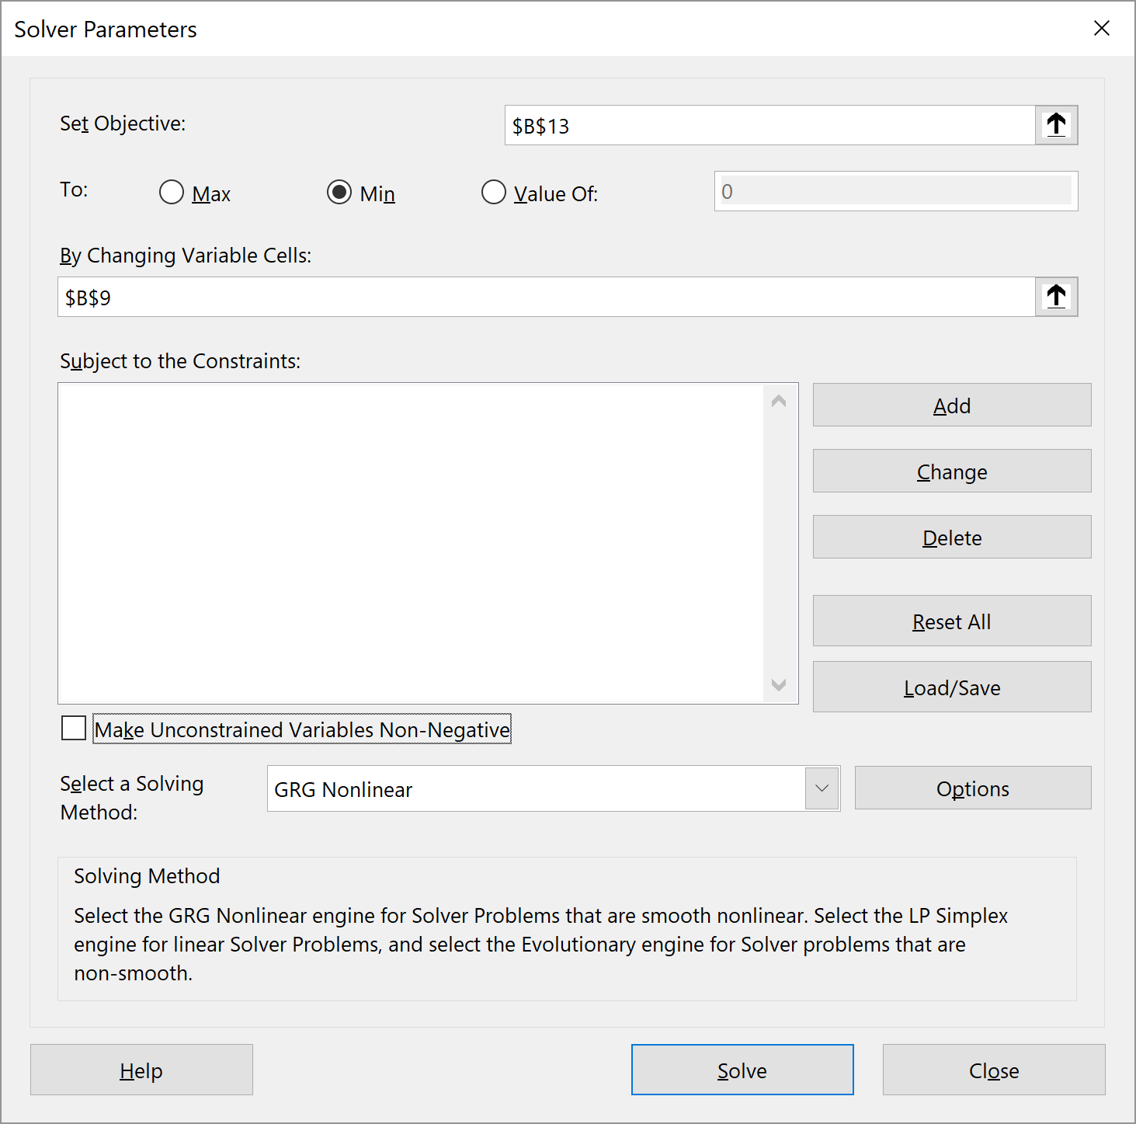
LOCATING THE MINIMUM VARIANCE PORTFOLIO
 | K | XOM
Average, E(rK) and E(rXOM) | 8.31% | 13.11%
Variance, Var(rK) and Var(rXOM) | 0.0139 | 0.0281
Sigma, sK and sXOM | 11.80% | 16.77%
Covariance of returns, Cov(rK,rXOM) | 0.0058

Portfolio return and risk
Percentage in K | 73.25%
Percentage in XOM | 26.75%

Expected portfolio return, E(rp) | 9.59% | #NAME?
Portfolio variance, Var(rp) | 1.18% | #NAME?
Portfolio standard deviation, sp | 10.84% | #NAME?

Minimum variance portfolio using formula, percentage in K | 73.25% | #NAME?
The Minimum Variance Portfolio
 |  |  | #NAME? |  |  | #NAME?

 |  |  | Percentage in K | Sigma | Expected return
 |  |  |  | 10.84% | 9.59%
 |  |  | 0% | 16.77% | 13.11%
 |  |  | 10% | 15.48% | 12.63%
 |  |  | 20% | 14.29% | 12.15%
 |  |  | 30% | 13.21% | 11.67%
 |  |  | 40% | 12.30% | 11.19%
 |  |  | 50% | 11.58% | 10.71%
 |  |  | 60% | 11.08% | 10.23%
 |  |  | 70% | 10.86% | 9.75%
 |  |  | 73.25% | 10.84% | 9.59%
 |  |  | 80% | 10.90% | 9.27%
 |  |  | 90% | 11.23% | 8.79%
 |  |  | 100% | 11.80% | 0.083053138516
 |  |  | 0.73252544077

Minimum variance portfolio
Percentage K | 0.73252544077

Page 317
THE EFFICIENT FRONTIER
 | K | XOM
Average, E(rK) and E(rXOM) | 8.31% | 13.11%
Variance, Var(rK) and Var(rXOM) | 0.0139 | 0.0281
Sigma, sK and sXOM | 11.80% | 16.77%
Covariance of returns, Cov(rK,rXOM) | 0.0058

Minimum variance portfolio--analytic formula
Percentage in K | 73.25% | #NAME?
Percentage in XOM | 26.75% | #NAME?

Expected portfolio return, E(rp) | 9.59% | #NAME?
Portfolio variance, Var(rp) | 0.0118 | #NAME?
Portfolio standard deviation, sp | 10.84% | #NAME?
Expected Return and Standard Deviation of Portfolio Return--Showing Efficient Frontier
16.77% | 13.11% | 13.11%
15.48% | 12.63% | 12.63%
14.29% | 12.15% | 12.15%
13.21% | 11.67% | 11.67%
12.30% | 11.19% | 11.19%
11.58% | 10.71% | 10.71%
11.08% | 10.23% | 10.23%
10.84% | 9.59% | 9.59%
10.90% | 9.27%
11.23% | 8.79%
11.80% | 8.31%
 |  |  | Percentage in K | Sigma | Expected return | Efficient frontier points

 |  |  | 0.00% | 16.77% | 13.11% | 13.11%
 |  |  | 10.00% | 15.48% | 12.63% | 12.63%
 |  |  | 20.00% | 14.29% | 12.15% | 12.15%
 |  |  | 30.00% | 13.21% | 11.67% | 11.67%
 |  |  | 40.00% | 12.30% | 11.19% | 11.19%
 |  |  | 50.00% | 11.58% | 10.71% | 10.71%
 |  |  | 60.00% | 11.08% | 10.23% | 10.23%
 |  |  | 73.25% | 10.84% | 9.59% | 9.59%
 |  |  | 80.00% | 10.90% | 9.27%
 |  |  | 90.00% | 11.23% | 8.79%
 |  |  | 100.00% | 11.80% | 8.31%
This is the portfolio percentage in K that gives the minimum variance portfolio.

Minimum variance portfolio using formula | 73.25% | #NAME?

Page 319
THE EFFECT OF CORRELATION COEFFICIENT ON KELLOGG-EXXON PORTFOLIOS In this example, the correlation = 0.50
 | K | XOM
Average, E(rK) and E(rXOM) | 8.31% | 13.11%
Variance, Var(rK) and Var(rXOM) | 0.0139 | 0.0281
Sigma, sK and sXOM | 11.80% | 16.77%
Correlation coefficient, rK,XOM) | 0.50 | <-- assumption
Covariance, Cov(rK,rXOM) | 0.01 | #NAME? | #NAME?
The Effect of Correlation on the K-XOM Efficient Frontier In this example, correlation = 0.50
 |  |  |  |  |  | =SQRT(G12^2*$B$4+(1-G12)^2*$C$4+2*G12*(1-G12)*$B$7)

 |  |  | Percentage in K | Sigma | Expected return
 |  |  | 0.0 | 16.77% | 13.11%
 |  |  | 0.1 | 15.72% | 12.63%
 |  |  | 0.2 | 14.74% | 12.15%
 |  |  | 0.3 | 13.86% | 11.67%
 |  |  | 0.4 | 13.08% | 11.19%
 |  |  | 0.5 | 12.44% | 10.71%
 |  |  | 0.6 | 11.95% | 10.23%
 |  |  | 0.7 | 11.63% | 9.75%
 |  |  | 0.8 | 11.49% | 9.27%
 |  |  | 0.9 | 11.55% | 8.79%
 |  |  | 1.0 | 11.80% | 8.31%

 |  |  | #NAME?

Graph title | The Effect of Correlation on the K-XOM Efficient Frontier In this example, correlation = 0.50

Page 320
THE EFFECT OF CORRELATION COEFFICIENT ON KELLOGG-EXXON PORTFOLIOS In this example, the correlation = -1.00
 | K | XOM
Average, E(rK) and E(rXOM) | 8.31% | 13.11%
Variance, Var(rK) and Var(rXOM) | 0.0139 | 0.0281
Sigma, sK and sXOM | 11.80% | 16.77%
Correlation coefficient, rK,XOM) | -1.00 | <-- assumption
Covariance, Cov(rK,rXOM) | -0.02 | #NAME?

The Effect of Correlation on the K-XOM Efficient Frontier In this example, correlation = -1.00

 |  |  | Percentage in K | Sigma | Expected return
 |  |  | 0.0 | 16.77% | 13.11%
 |  |  | 0.1 | 13.92% | 12.63%
 |  |  | 0.2 | 11.06% | 12.15%
 |  |  | 0.3 | 8.20% | 11.67%
 |  |  | 0.4 | 5.34% | 11.19%
 |  |  | 0.5 | 2.48% | 10.71%
 |  |  | 0.587 | 0.00% | 10.29%
 |  |  | 0.6 | 0.37% | 10.23%
 |  |  | 0.7 | 3.23% | 9.75%
 |  |  | 0.8 | 6.09% | 9.27%
 |  |  | 0.9 | 8.95% | 8.79%
 |  |  | 1.0 | 11.80% | 8.31%

Graph title | The Effect of Correlation on the K-XOM Efficient Frontier In this example, correlation = -1.00

Page 321
THE EFFECT OF CORRELATION COEFFICIENT ON KELLOGG-EXXON PORTFOLIOS In this example, the correlation = 1.00
 | K | XOM
Average, E(rK) and E(rXOM) | 8.31% | 13.11%
Variance, Var(rK) and Var(rXOM) | 0.0139 | 0.0281
Sigma, sK and sXOM | 11.80% | 16.77%
Correlation coefficient, rK,XOM) | 1.00 | <-- assumption
Covariance, Cov(rK,rXOM) | 0.02 | #NAME?

The Effect of Correlation on the K-XOM Efficient Frontier In this example, correlation = 1.00
 |  |  | Percentage in K | Sigma | Expected return
 |  |  | 0.0 | 16.77% | 13.11%
 |  |  | 0.1 | 16.28% | 12.63%
 |  |  | 0.2 | 15.78% | 12.15%
 |  |  | 0.3 | 15.28% | 11.67%
 |  |  | 0.4 | 14.79% | 11.19%
 |  |  | 0.5 | 14.29% | 10.71%
 |  |  | 0.6 | 13.79% | 10.23%
 |  |  | 0.7 | 13.30% | 9.75%
 |  |  | 0.8 | 12.80% | 9.27%
 |  |  | 0.9 | 12.30% | 8.79%
 |  |  | 1.0 | 11.80% | 8.31%

Graph title | The Effect of Correlation on the K-XOM Efficient Frontier In this example, correlation = 1.00

